Sheet1
Product | RRP | Qty | Box Qty | No.of Boxes
John Lewis Leather Care Kit | £20.00 | 2200 | 10 | 220
John Lewis Fabric Care Kit | £20.00 | 1500 | 10 | 150
250ml John Lewis Leather Cleaner | £10.00 | 2500 | 20 | 125
250ml John Lewis Leather Protector | £10.00 | 2300 | 20 | 115
250ml John Lewis Fabric Cleaner | £10.00 | 140 | 20 | 7
250ml John Lewis Fabric Protector | £10.00 | 60 | 20 | 3
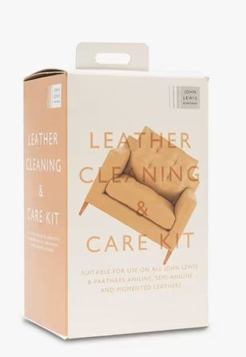
250ml John Lewis Stain & Odour Eliminator | £10.00 | 1560 | 20 | 78
 |  | 10260
